Diazepam
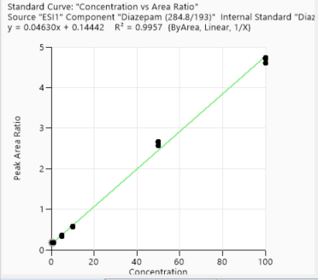
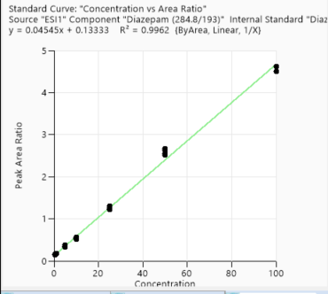
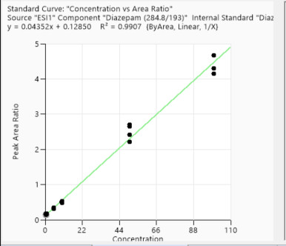
0.05 | 0.004835441
0.05 | 0.004978026
0.05 | 0.004526861
5 | 0.30721666
5 | 0.303297064
5 | 0.295515064
5 | 0.304714597
10 | 0.502118427
10 | 0.499912537
10 | 0.519289231
10 | 0.509026819
50 | 1.969089081
50 | 2.211702153
50 | 2.36289329
50 | 2.302982768
100 | 5.010464102
100 | 4.528147078
100 | 4.908168954
100 | 4.936927468
Calibration points data
 | 1st Day |  | 3rd Day | 2nd week | 4th week |  |  |  | Conc | Area/ISD
Concentration of clabibration points/ppb | Peak area/IS Ratio | Concentration of clabibration points/ppb | Peak area/IS Ratio | Peak area/IS Ratio | Peak area/IS Ratio | 0.149193815 | 0.5 | 0.149193815 | -0.69314718056 | -1.9025090465
0.05 | 0.004835441 | 0.5 | 0.150704519 | 0.140631369 | 0.181392445 | 0.139499145 | 0.5 | 0.139499145 | -0.69314718056 | -1.9696968068
0.05 | 0.004978026 | 0.5 | 0.162104829 | 0.14858946 | 0.175879015 | 0.140487116 | 0.5 | 0.140487116 | -0.69314718056 | -1.9626394955
0.05 | 0.004526861 | 0.5 | 0.157152643 | 0.15565883 | 0.179790796 | 0.145022936 | 0.5 | 0.145022936 | -0.69314718056 | -1.9308633698
5 | 0.30721666 | 0.5 | 0.165040343 | 0.170843388 | 0.176605724 |  | 1 | 0.159774155 | 0 | -1.8339939921
5 | 0.303297064 | 1 | 0.181138924 | 0.173144521 | 0.173216758 |  | 1 | 0.169126034 | 0 | -1.7771110787
5 | 0.295515064 | 1 | 0.180272519 | 0.162473573 | 0.184721403 |  | 1 | 0.15804149 | 0 | -1.8448976855
5 | 0.304714597 | 1 | 0.172151655 | 0.16380885 | 0.178059718 |  | 1 | 0.166500664 | 0 | -1.7927559816
10 | 0.502118427 | 1 | 0.180181293 | 0.177194668 | 0.174052691 |  | 5 | 0.277037068 | 1.6094379124 | -1.2836039623
10 | 0.499912537 | 5 | 0.347952335 | 0.351832711 | 0.328659102 |  | 5 | 0.337931842 | 1.6094379124 | -1.0849110547
10 | 0.519289231 | 5 | 0.370608214 | 0.351614221 | 0.335754688 |  | 5 | 0.307717819 | 1.6094379124 | -1.178572088
10 | 0.509026819 | 5 | 0.339550319 | 0.338177753 | 0.357880933 |  | 5 | 0.317761354 | 1.6094379124 | -1.1464546371
50 | 1.969089081 | 5 | 0.335397039 | 0.315645794 | 0.335838395 |  | 10 | 0.521905527 | 2.302585093 | -0.65026869024
50 | 2.211702153 | 10 | 0.549723131 | 0.499383835 | 0.573646803 |  | 10 | 0.481662635 | 2.302585093 | -0.73051133738
50 | 2.36289329 | 10 | 0.558473419 | 0.538511118 | 0.580792266 |  | 10 | 0.518737673 | 2.302585093 | -0.65635697061
50 | 2.302982768 | 10 | 0.521305928 | 0.472886251 | 0.575145631 |  | 10 | 0.484845708 | 2.302585093 | -0.72392456649
100 | 5.010464102 | 10 | 0.534608739 | 0.519618138 | 0.562401193 |  | 50 | 2.384273907 | 3.9120230054 | 0.86889463648
100 | 4.528147078 | 50 | 2.521770401 | 2.656676117 | 2.648567593 |  | 50 | 2.368864975 | 3.9120230054 | 0.86241092693
100 | 4.908168954 | 50 | 2.630098824 | 2.413290323 | 2.661354773 |  | 50 | 2.350506842 | 3.9120230054 | 0.85463098235
100 | 4.936927468 | 50 | 2.553184822 | 2.694181714 | 2.567894371 |  | 50 | 2.468071744 | 3.9120230054 | 0.90343717531
 |  | 50 | 2.665697589 | 2.206236403 | 2.568359553 |  | 100 | 4.518611769 | 4.605170186 | 1.5082048159
 |  | 100 | 4.614076452 | 4.296472831 | 4.736435047 |  | 100 | 4.244534054 | 4.605170186 | 1.4456320503
 |  | 100 | 4.510338299 | 4.677337701 | 4.707935473 |  | 100 | 4.284075721 | 4.605170186 | 1.4549048277
 |  | 100 | 4.621824378 | 4.143849493 | 4.729978118 |  | 100 | 4.303074954 | 4.605170186 | 1.4593298727
 |  | 100 | 4.496128557 | 4.302053712 | 4.609334758

Accuracy points data
 | 1st Day |  | 3rd Day | 2nd week | 4th week
Concentration of Accuracy points /ppb | Peak area/IS Ratio |  | Peak area/IS Ratio | Peak area/IS Ratio | Peak area/IS Ratio
2.5 | 0.198496934 |  | 0.238208399 | 0.260838495 | 0.245517156
2.5 | 0.230235526 |  | 0.242325455 | 0.257395038 | 0.227299928
2.5 | 0.202036905 |  | 0.243514062 | 0.217831325 | 0.262523309
2.5 | 0.191064857 |  | 0.257797198 | 0.226173198 | 0.259695841
25 | 1.047491971 |  | 1.223292524 | 1.150653781 | 1.298470229
25 | 1.091225251 |  | 1.262746943 | 1.300974026 | 1.284511126
25 | 1.164180653 |  | 1.235716762 | 1.012214551 | 1.290566455
25 | 1.197060262 |  | 1.307699846 | 1.093360394 | 1.302887837
75 | 3.263398232 |  | 3.726074143 | 3.390795632 | 3.929868805
75 | 3.335463259 |  | 3.958087616 | 3.989284183 | 3.902229435
75 | 3.050360018 |  | 3.885201351 | 3.993660186 | 3.859019605
75 | 3.262913973 |  | 3.775847372 | 4.490736342 | 4.209295583

1st day
2nd week
4th week
3rd day

Lorazepam
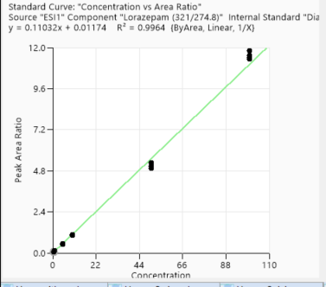
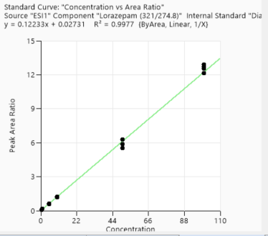
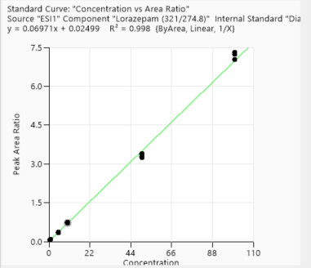
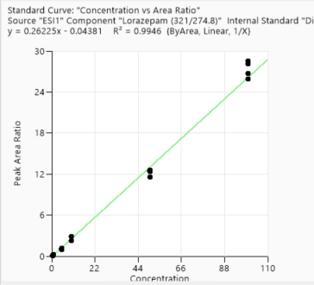
Calibration points data
 | 1st Day | 3rd Day | 2nd week | 4th week
Concentration of clabibration points/ppb | Peak area/IS Ratio | Peak area/IS Ratio | Peak area/IS Ratio | Peak area/IS Ratio | -0.69314718056 | -2.6562993242
0.5 | 0.070207557 | 0.080073878 | 0.097060555 | 0.067386825 | -0.69314718056 | -2.5481862517
0.5 | 0.078223415 | 0.081995227 | 0.121273489 | 0.063582936 | -0.69314718056 | -2.602877219
0.5 | 0.074060184 | 0.083399931 | 0.116293056 | 0.064533079 | -0.69314718056 | -2.7429408521
0.5 | 0.064380734 | 0.098598934 | 0.118000124 | 0.068105676 | 0 | -2.0662179599
1 | 0.126663925 | 0.168835148 | 0.234407954 | 0.083829552 | 0 | -2.0555224809
1 | 0.128025927 | 0.157023996 | 0.223731501 | 0.088875109 | 0 | -1.9903627586
1 | 0.136645847 | 0.15997883 | 0.226327264 | 0.089059688 | 0 | -2.053802848
1 | 0.128246274 | 0.177834861 | 0.212321364 | 0.088937713 | 1.6094379124 | -0.71992030136
5 | 0.486791051 | 0.584741816 | 1.040947762 | 0.361679907 | 1.6094379124 | -0.66372141435
5 | 0.514931491 | 0.609869566 | 1.087617491 | 0.363261905 | 1.6094379124 | -0.60257304175
5 | 0.547401336 | 0.565882898 | 1.201975033 | 0.353619 | 1.6094379124 | -0.64642434804
5 | 0.523915772 | 0.650515926 | 1.007592561 | 0.353053544 | 2.302585093 | 0.041890224719
10 | 1.042780001 | 1.222544721 | 2.290902501 | 0.707137105 | 2.302585093 | 0.044588951421
10 | 1.04559798 | 1.257999829 | 2.316548501 | 0.713321749 | 2.302585093 | 0.078320263271
10 | 1.081468958 | 1.208004345 | 2.242740253 | 0.745595763 | 2.302585093 | 0.068890249555
10 | 1.071318625 | 1.236047214 | 2.836085919 | 0.712596351 | 3.9120230054 | 1.6223238974
50 | 5.064846835 | 5.513748271 | 12.598352909 | 3.359196063 | 3.9120230054 | 1.6031699763
50 | 4.968758332 | 5.883786399 | 11.600774194 | 3.386128277 | 3.9120230054 | 1.6589229332
50 | 5.253649265 | 5.863605287 | 12.437517913 | 3.284908501 | 3.9120230054 | 1.6650328839
50 | 5.285847066 | 6.268933721 | 12.351269036 | 3.249238429 | 4.605170186 | 2.4699165499
100 | 11.821460308 | 12.881007324 | 25.873212583 | 7.228504301 | 4.605170186 | 2.4260054035
100 | 11.313598434 | 12.142070649 | 28.123734366 | 7.308196354 | 4.605170186 | 2.4341197059
100 | 11.405773857 | 12.530325764 | 26.708827786 | 7.24244082 | 4.605170186 | 2.4441821938
100 | 11.521123699 | 12.69779899 | 28.541232227 | 7.041665394

Accuracy points data
 | 1st Day | 3rd Day | 2nd week | 4th week
Concentration of Accuracy points /ppb | Peak area/IS Ratio | Peak area/IS Ratio | Peak area/IS Ratio | Peak area/IS Ratio
2.5 | 0.29546847 | 0.378985682 | 0.778227727 | 0.197563304
2.5 | 0.336363861 | 0.329499834 | 0.799379771 | 0.174828453
2.5 | 0.307141627 | 0.347591802 | 0.821927711 | 0.196219698
2.5 | 0.312282285 | 0.371191804 | 0.864296081 | 0.189672021
25 | 2.851038779 | 3.380989373 | 8.308698124 | 1.789008066
25 | 3.031473571 | 3.459266228 | 8.392857143 | 1.845502451
25 | 2.83100005 | 3.357608798 | 7.245884227 | 1.864603482
25 | 2.944705613 | 3.533958381 | 7.698173384 | 1.843816873
75 | 8.167207266 | 9.150612688 | 22.67199688 | 4.963811256
75 | 8.277043467 | 9.627169334 | 22.576402321 | 4.944836118
75 | 8.192651806 | 9.948777073 | 22.694178628 | 4.984111861
75 | 8.327430942 | 9.735011163 | 23.400189215 | 5.296191595

1st day
3rd day
2nd week
4th week

Metolachlor
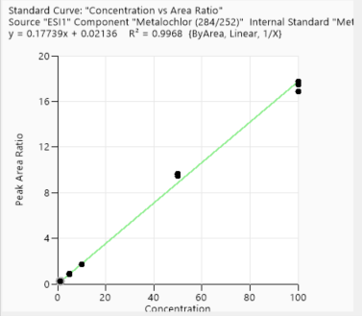
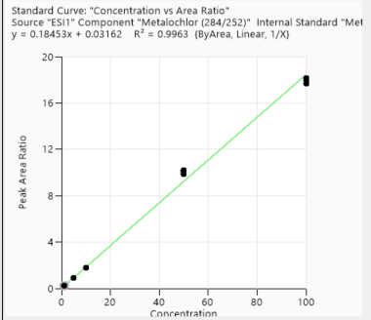
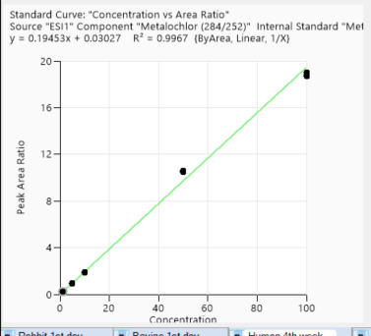
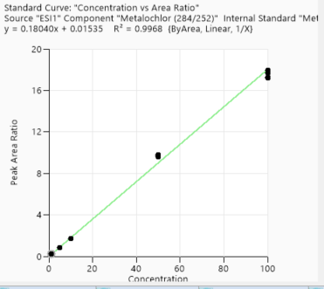
Calibration points data
 | 1st Day | 3rd Day | 2nd week | 4th week
Concentration of clabibration points/ppb | Peak area/IS Ratio | Peak area/IS Ratio | Peak area/IS Ratio | Peak area/IS Ratio
1 | 0.210906301 | 0.208245166 | 0.219803522 | 0.235233451
1 | 0.208077257 | 0.213014271 | 0.238686091 | 0.244337832
1 | 0.217344835 | 0.214456604 | 0.228799606 | 0.231647627
1 | 0.211021443 | 0.212552785 | 0.226705644 | 0.237217783
5 | 0.879807804 | 0.853240067 | 0.886101136 | 0.93535696
5 | 0.823404422 | 0.848211066 | 0.882611512 | 0.938625999
5 | 0.822204871 | 0.83480243 | 0.897203928 | 0.936776343
5 | 0.822741985 | 0.838070014 | 0.891534407 | 0.952265692
10 | 1.68646308 | 1.692204132 | 1.810817344 | 1.859587622
10 | 1.687285637 | 1.738874097 | 1.775482857 | 1.87984396
10 | 1.697274286 | 1.746468475 | 1.776722065 | 1.902474117
10 | 1.749424046 | 1.704022965 | 1.80331214 | 1.897849049
50 | 9.480598559 | 9.624680111 | 10.108999842 | 10.499621915
50 | 9.44222527 | 9.700642328 | 9.841516424 | 10.51149534
50 | 9.650177876 | 9.746551244 | 10.014032446 | 10.526526591
50 | 9.586952653 | 9.772651811 | 10.176367505 | 10.608884816
100 | 17.452162271 | 17.273170575 | 18.155997946 | 19.035645851
100 | 16.897649112 | 17.227396047 | 17.92132638 | 18.90545715
100 | 17.717718106 | 17.680023875 | 17.649643833 | 18.713480612
100 | 16.873035224 | 17.960128191 | 17.651345516 | 18.723490834

Accuracy points data
 | 1st Day | 3rd Day | 2nd week | 4th week
Concentration of Accuracy points /ppb | Peak area/IS Ratio | Peak area/IS Ratio | Peak area/IS Ratio | Peak area/IS Ratio
2.5 | 0.476916048 | 0.473159377 | 0.486453706 | 0.541695743
2.5 | 0.456368732 | 0.451962476 | 0.509311262 | 0.526429573
2.5 | 0.450860466 | 0.471882441 | 0.518214778 | 0.54364774
2.5 | 0.480193653 | 0.474623659 | 0.520742669 | 0.531158491
25 | 4.750156837 | 4.508040786 | 4.708031936 | 5.047129214
25 | 4.548825745 | 4.51342432 | 4.848796546 | 4.995386731
25 | 4.500278587 | 4.562684422 | 4.742237133 | 5.030972041
25 | 4.585446723 | 4.329713844 | 4.811500273 | 4.961759479
75 | 14.911769834 | 14.721959063 | 15.343273543 | 15.874287205
75 | 14.389611494 | 14.661076333 | 15.300108455 | 15.83598094
75 | 14.684714103 | 14.650538069 | 14.815461453 | 15.863846407
75 | 14.627150302 | 14.243012167 | 15.251019 | 16.025792939

1st day
2nd week
3rd day
4th week

Alprazolam
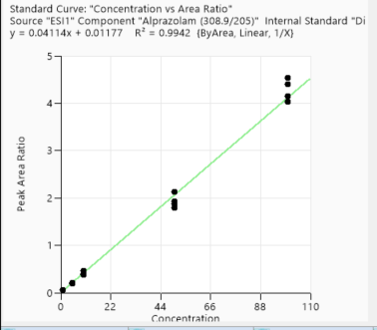
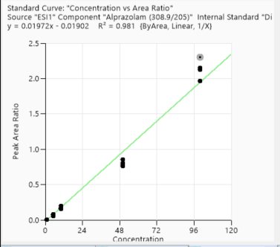
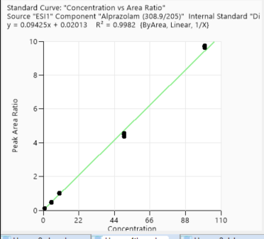
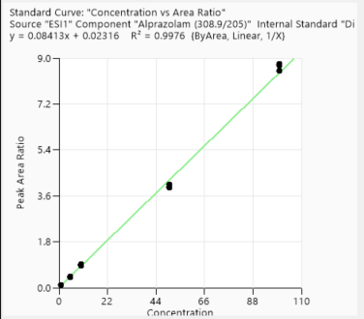
Calibration points data
 | 1st Day | 3rd Day | 2nd week | 4th week
Concentration of clabibration points/ppb | Peak area/IS Ratio | Peak area/IS Ratio | Peak area/IS Ratio | Peak area/IS Ratio
1 | 0.060144331 | 0.003205581 | 0.11620543 | 0.126644785
1 | 0.052035994 | 0.005956831 | 0.10680632 | 0.11900023
1 | 0.05602647 | 0.006495381 | 0.107841518 | 0.111948535
1 | 0.059982293 | 0.005038654 | 0.116006327 | 0.119105795
5 | 0.203005036 | 0.071634023 | 0.412443977 | 0.455778641
5 | 0.199672093 | 0.076519108 | 0.405243775 | 0.471741733
5 | 0.214715497 | 0.056827537 | 0.431567613 | 0.469492575
5 | 0.20894343 | 0.067892927 | 0.428824343 | 0.456081352
10 | 0.462611188 | 0.195104881 | 0.899759692 | 0.984043484
10 | 0.393832615 | 0.162940524 | 0.897635087 | 1.020746046
10 | 0.459378229 | 0.156891006 | 0.911088199 | 0.992012357
10 | 0.383823206 | 0.171867519 | 0.876232106 | 0.994462357
50 | 1.926838839 | 0.778755187 | 3.961069576 | 4.576723544
50 | 2.126372428 | 0.851236034 | 3.9523119 | 4.490610188
50 | 1.797440446 | 0.763958523 | 4.033370451 | 4.477032662
50 | 1.879144895 | 0.802190703 | 3.920159635 | 4.360211876
100 | 4.531990521 | 2.151249122 | 8.767115284 | 9.728428674
100 | 4.394550371 | 2.123262418 | 8.495875783 | 9.674999236
100 | 4.03713154 | 2.298425858 | 8.703719242 | 9.74340561
100 | 4.143071089 | 1.966921378 | 8.781147894 | 9.61485214

Accuracy points data
 | 1st Day | 3rd Day | 2nd week | 4th week
Concentration of Accuracy points /ppb | Peak area/IS Ratio | Peak area/IS Ratio | Peak area/IS Ratio | Peak area/IS Ratio
2.5 | 0.089454207 | 0.037157777 | 0.2313028 | 0.25562729
2.5 | 0.08367715 | 0.044955045 | 0.249773637 | 0.248184792
2.5 | 0.092080986 | 0.039144192 | 0.226030773 | 0.263890066
2.5 | 0.090970604 | 0.035598998 | 0.24417119 | 0.256000733
25 | 0.994775442 | 0.409297123 | 2.110048289 | 2.397718531
25 | 0.851070521 | 0.378425839 | 2.085953578 | 2.505764319
25 | 0.809072206 | 0.316925598 | 2.19396671 | 2.495639679
25 | 0.836835819 | 0.410244683 | 2.165586933 | 2.476179668
75 | 2.583425235 | 1.206607725 | 5.973952368 | 6.897194201
75 | 2.523081476 | 1.128980623 | 6.249329073 | 6.811522294
75 | 2.380968486 | 1.2265091 | 6.025264885 | 6.789602931
75 | 2.588653918 | 1.124660037 | 5.858203384 | 7.382362748

1st day
3rd day
2nd week
4th week

omeprazole
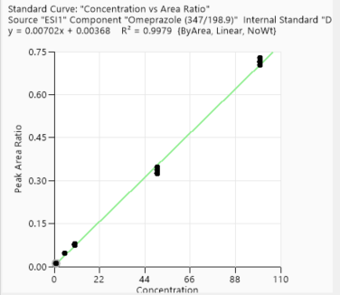
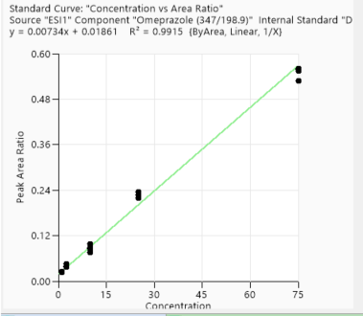
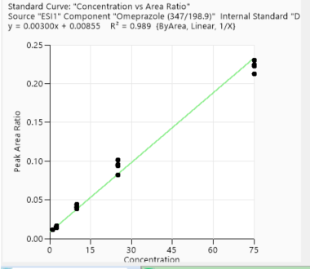
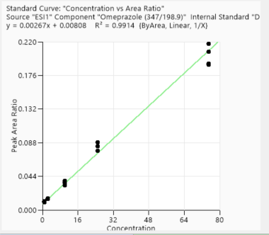
Calibration points data |  |  |  |  |  |  | Conc | Area/ISD
 | 1st Day | 3rd Day | 2nd week | 4th week | 1 | 0.025463655 | 0 | -3.6705031376
Concentration of clabibration points/ppb | Peak area/IS Ratio | Peak area/IS Ratio | Peak area/IS Ratio | Peak area/IS Ratio | 1 | 0.025782622 | 0 | -3.6580545799
1 | 0.011244683 | 0.02555037 | 0.011776058 | 0.009953428 | 1 | 0.023347461 | 0 | -3.7572670374
1 | 0.010789038 | 0.025177861 | 0.0111598 | 0.010741826 | 1 | 0.02268703 | 0 | -3.7859618834
1 | 0.01135053 | 0.024754619 | 0.011377817 | 0.010042457 | 2.5 | 0.028600838 | 0.91629073187 | -3.5543192609
1 | 0.010408502 | 0.023908909 | 0.011653048 | 0.011251453 | 2.5 | 0.032166415 | 0.91629073187 | -3.4368323832
5 | 0.045880459 | 0.036372966 | 0.015480938 | 0.014821353 | 2.5 | 0.035572831 | 0.91629073187 | -3.3361731066
5 | 0.045743061 | 0.037114401 | 0.014345402 | 0.014182558 | 2.5 | 0.036613788 | 0.91629073187 | -3.3073303882
5 | 0.047188137 | 0.039324996 | 0.013666977 | 0.015161468 | 10 | 0.075127134 | 2.302585093 | -2.5885734805
5 | 0.047296983 | 0.044498748 | 0.01634797 | 0.015106171 | 10 | 0.06698573 | 2.302585093 | -2.7032756674
10 | 0.075127134 | 0.086333601 | 0.044461288 | 0.037987536 | 10 | 0.074368367 | 2.302585093 | -2.5987246023
10 | 0.07908208 | 0.097469921 | 0.041584368 | 0.036649584 | 10 | 0.087480759 | 2.302585093 | -2.4363364069
10 | 0.077505401 | 0.076408907 | 0.038501525 | 0.031879965 | 25 | 0.174323628 | 3.2188758249 | -1.7468417763
10 | 0.075496592 | 0.088286113 | 0.039714743 | 0.035476639 | 25 | 0.190623444 | 3.2188758249 | -1.6574552943
50 | 0.346338287 | 0.219688024 | 0.101337769 | 0.077422687 | 25 | 0.168297456 | 3.2188758249 | -1.7820222938
50 | 0.323797595 | 0.234587645 | 0.081958553 | 0.077732011 | 25 | 0.171194064 | 3.2188758249 | -1.7649574888
50 | 0.327918221 | 0.218888854 | 0.095133253 | 0.083603205 | 75 | 0.44456698 | 4.3174881135 | -0.81065454922
50 | 0.337761894 | 0.226389206 | 0.094264887 | 0.088213043 | 75 | 0.482705333 | 4.3174881135 | -0.72834888811
100 | 0.702285742 | 0.528579184 | 0.212565706 | 0.207334215 | 75 | 0.393758647 | 4.3174881135 | -0.93201712845
100 | 0.728893758 | 0.554844145 | 0.222761803 | 0.191444078 | 75 | 0.455023778 | 4.3174881135 | -0.78740560206
100 | 0.716118685 | 0.560446348 | 0.230170743 | 0.189852525
100 | 0.712432667 | 0.557661863 | 0.223950189 | 0.217051566

Accuracy points data
 | 1st Day | 3rd Day | 2nd week | 4th week
Concentration of Accuracy points /ppb | Peak area/IS Ratio | Peak area/IS Ratio | Peak area/IS Ratio | Peak area/IS Ratio
2.5 | 0.025141023 | 0.047582523 | 0.026262234 | 0.01978432
2.5 | 0.024907299 | 0.047806604 | 0.023910295 | 0.022742742
2.5 | 0.027185696 | 0.053663305 | 0.025643126 | 0.020581129
2.5 | 0.026356475 | 0.06194108 | 0.021322268 | 0.022225273
25 | 0.174323628 | 0.260470263 | 0.137960919 | 0.138379307
25 | 0.187546732 | 0.308524677 | 0.146459645 | 0.133257335
25 | 0.176137493 | 0.302814494 | 0.147033738 | 0.123337966
25 | 0.171194064 | 0.331630106 | 0.158481165 | 0.108438665
75 | 0.493138121
3rd day
75 | 0.482705333
2nd week
4th week
75 | 0.442761942
75 | 0.480859388
1st day

Acetochlor
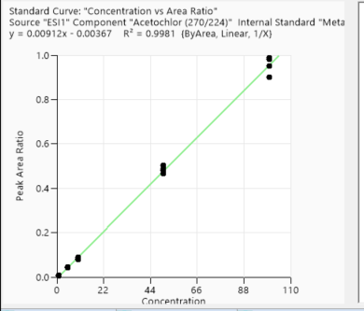
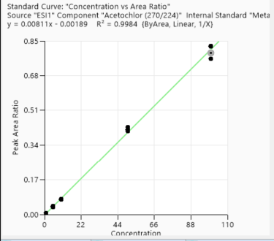
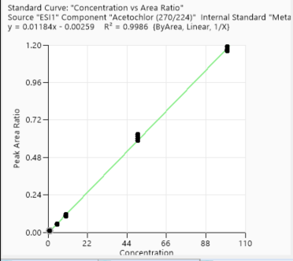
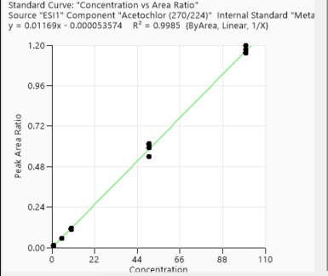
Calibration points data
 | 1st Day | 3rd Day | 2nd week | 4th week
Concentration of clabibration points/ppb | Peak area/IS Ratio | Peak area/IS Ratio | Peak area/IS Ratio | Peak area/IS Ratio
1 | 0.005167016 | 0.00741329 | 0.009903149 | 0.011922607
1 | 0.00628725 | 0.005966357 | 0.011045647 | 0.012651273
1 | 0.006951113 | 0.006490387 | 0.009785638 | 0.012863898
1 | 0.006421918 | 0.006226656 | 0.011426773 | 0.013400254
5 | 0.043331467 | 0.037879401 | 0.052111312 | 0.055896042
5 | 0.039932343 | 0.039472879 | 0.04911016 | 0.055080371
5 | 0.038956125 | 0.036549534 | 0.055746899 | 0.054008746
5 | 0.038792598 | 0.040571695 | 0.049289073 | 0.054358202
10 | 0.078225062 | 0.072707356 | 0.10342905 | 0.117061254
10 | 0.076158144 | 0.074397455 | 0.115322591 | 0.11074359
10 | 0.071980134 | 0.077124817 | 0.106725601 | 0.112199574
10 | 0.086281098 | 0.074309855 | 0.115583025 | 0.108338679
50 | 0.44325743 | 0.428643972 | 0.616662416 | 0.611091507
50 | 0.477574909 | 0.407692923 | 0.601372573 | 0.616856392
50 | 0.461576438 | 0.416822374 | 0.586038572 | 0.539636752
50 | 0.454732356 | 0.414182094 | 0.630103115 | 0.591248468
100 | 0.938930793 | 0.762573024 | 1.190524645 | 1.159448243
100 | 0.904608302 | 0.825737957 | 1.17226774 | 1.199768436
100 | 0.933632378 | 0.792301335 | 1.164938876 | 1.154005305
100 | 0.855036574 | 0.822405222 | 1.161659642 | 1.172497009

Accuracy points data
 | 1st Day | 3rd Day | 2nd week | 4th week
Concentration of Accuracy points /ppb | Peak area/IS Ratio | Peak area/IS Ratio | Peak area/IS Ratio | Peak area/IS Ratio
2.5 | 0.017574618 | 0.017010793 | 0.024718611 | 0.032155944
2.5 | 0.018033063 | 0.019383177 | 0.029363269 | 0.027404847
2.5 | 0.017520055 | 0.017942967 | 0.028593678 | 0.031627462
2.5 | 0.020252824 | 0.017422198 | 0.029096248 | 0.030250962
25 | 0.204544042 | 0.181235886 | 0.289628573 | 0.296989226
25 | 0.207980193 | 0.188197983 | 0.277920538 | 0.287508544
25 | 0.21061157 | 0.198023207 | 0.272498416 | 0.278558134
25 | 0.229198336 | 0.179586868 | 0.287416105 | 0.273770735
75 | 0.726242371 | 0.563155477 | 0.859228089 | 0.948743283
75 | 0.718532864 | 0.603635458 | 0.957272177 | 0.944570247
75 | 0.692253066 | 0.595040052 | 0.875762559 | 0.939717089
75 | 0.711072506 | 0.586825019 | 0.936648116 | 0.985617188

1st day
3rd day
2nd week
4th week

Cyprodinil
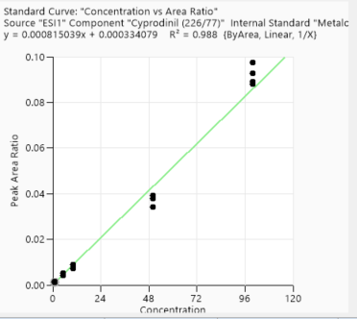
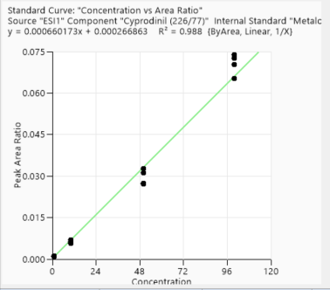
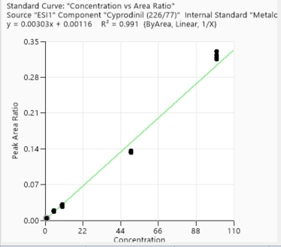
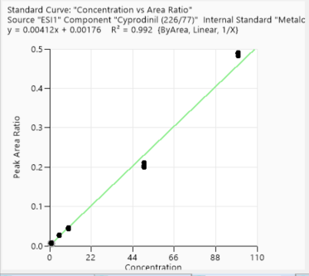
Calibration points data
 | 1st Day | 3rd Day | 2nd week | 4th week
Concentration of clabibration points/ppb | Peak area/IS Ratio | Peak area/IS Ratio | Peak area/IS Ratio | Peak area/IS Ratio
1 | 0.001065749 | 0.001152425 | 0.004389729 | 0.005358098
1 | 0.001220276 | 0.000944138 | 0.003875351 | 0.006006779
1 | 0.001112982 | 0.001008868 | 0.003859041 | 0.006770601
1 | 0.001341139 | 0.000970823 | 0.00460783 | 0.005638912
5 | 0.004863201 | 0.003733355 | 0.019352481 | 0.025055896
5 | 0.005002077 | 0.003986747 | 0.017109709 | 0.023991686
5 | 0.004901048 | 0.003570629 | 0.018294315 | 0.023951826
5 | 0.004010601 | 0.00319057 | 0.018734863 | 0.02548307
10 | 0.006992226 | 0.005681961 | 0.028510432 | 0.03877222
10 | 0.008353379 | 0.006379889 | 0.026245966 | 0.042197879
10 | 0.008525986 | 0.007056612 | 0.031234088 | 0.041034537
10 | 0.00850332 | 0.005957787 | 0.030429304 | 0.039401326
50 | 0.032580942 | 0.027089398 | 0.135628661 | 0.179235058
50 | 0.035868716 | 0.0311759 | 0.135931996 | 0.184316115
50 | 0.037143341 | 0.027376362 | 0.133333904 | 0.181391263
50 | 0.037310916 | 0.032601011 | 0.132899776 | 0.190565387
100 | 0.084744269 | 0.065189286 | 0.330972274 | 0.438639618
100 | 0.092722567 | 0.070342717 | 0.323834821 | 0.440070731
100 | 0.083612398 | 0.073858745 | 0.318202879 | 0.434131502
100 | 0.088033918 | 0.072635601 | 0.315388524 | 0.441683117

Accuracy points data
 | 1st Day | 3rd Day | 2nd week | 4th week
Concentration of Accuracy points /ppb | Peak area/IS Ratio | Peak area/IS Ratio | Peak area/IS Ratio | Peak area/IS Ratio
2.5 | 0.001816965 | 0.001142286 | 0.007081426 | 0.01052089
2.5 | 0.001780653 | 0.000790638 | 0.008295152 | 0.009585138
2.5 | 0.001874744 | 0.001394726 | 0.006943915 | 0.012878069
2.5 | 0.002140936 | 0.001452867 | 0.008585422 | 0.011981801
25 | 0.017633594 | 0.012358859 | 0.068275396 | 0.098668042
25 | 0.015969209 | 0.012251979 | 0.069369099 | 0.106033934
25 | 0.018495861 | 0.016005558 | 0.074498275 | 0.103867392
25 | 0.020083178 | 0.012946382 | 0.066476377 | 0.09686019
75 | 0.057132318 | 0.035447229 | 0.214557622 | 0.289020103
75 | 0.052910849 | 0.041071673 | 0.216625701 | 0.297986782
75 | 0.054979266 | 0.037373574 | 0.203410293 | 0.296484963
75 | 0.052586894 | 0.035453454 | 0.218579487 | 0.288869638

1st day
3rd day
2nd week
4th week

Chloropyrifos methyl
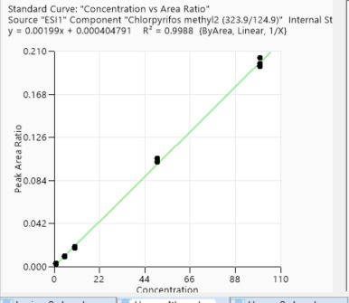
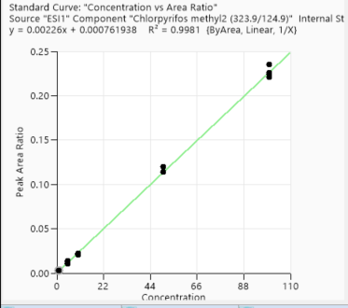
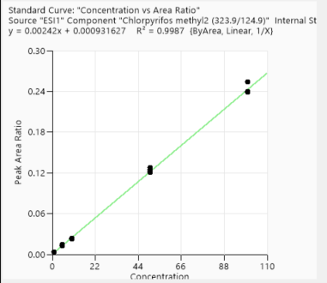
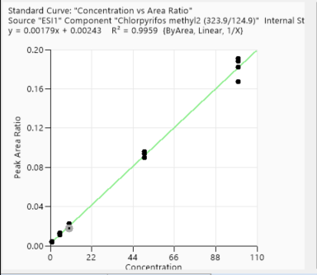
Calibration points data
 | 1st Day | 3rd Day | 2nd week | 4th week
Concentration of clabibration points/ppb | Peak area/IS Ratio | Peak area/IS Ratio | Peak area/IS Ratio | Peak area/IS Ratio
1 | 0.003089428 | 0.003220012 | 0.00391882 | 0.002487174
1 | 0.003159787 | 0.003400873 | 0.004226344 | 0.002555763
1 | 0.003350999 | 0.003458977 | 0.004379645 | 0.00254598
1 | 0.003164311 | 0.003825902 | 0.004163419 | 0.00285081
5 | 0.010210389 | 0.01264893 | 0.012246597 | 0.009511801
5 | 0.014109347 | 0.012912707 | 0.012339835 | 0.009951524
5 | 0.012691072 | 0.014236399 | 0.011070355 | 0.009714702
5 | 0.01119333 | 0.013029875 | 0.013466639 | 0.010039818
10 | 0.020775623 | 0.023396801 | 0.017588538 | 0.018348191
10 | 0.022154109 | 0.023185449 | 0.022857286 | 0.019726247
10 | 0.021786003 | 0.022839557 | 0.017732198 | 0.019121634
10 | 0.020410367 | 0.02378532 | 0.018177953 | 0.018313021
50 | 0.114040417 | 0.122485508 | 0.09575973 | 0.10546812
50 | 0.114230337 | 0.120671542 | 0.090081927 | 0.102078424
50 | 0.119832531 | 0.124498092 | 0.089862387 | 0.102310066
50 | 0.113857538 | 0.128230642 | 0.093966644 | 0.102036153
100 | 0.235251985 | 0.240001931 | 0.191114077 | 0.203895881
100 | 0.221375737 | 0.240008296 | 0.188211063 | 0.198360887
100 | 0.226202604 | 0.238392314 | 0.18200955 | 0.196490118
100 | 0.224093264 | 0.253787323 | 0.16719778 | 0.195763683

Accuracy points data
 | 1st Day | 3rd Day | 2nd week | 4th week
Concentration of Accuracy points /ppb | Peak area/IS Ratio | Peak area/IS Ratio | Peak area/IS Ratio | Peak area/IS Ratio
2.5 | 0.006476257 | 0.006605052 | 0.00795053 | 0.004697564
2.5 | 0.006090044 | 0.005995456 | 0.00696484 | 0.004858154
2.5 | 0.005639769 | 0.006023907 | 0.007786814 | 0.005400722
2.5 | 0.005718128 | 0.007243782 | 0.006316726 | 0.005181385
25 | 0.051906067 | 0.0509341 | 0.046437369 | 0.047295125
25 | 0.052820804 | 0.053656619 | 0.036363636 | 0.044591417
25 | 0.054177939 | 0.056009134 | 0.043939536 | 0.0454889
25 | 0.049706009 | 0.052865483 | 0.048548651 | 0.047914198
75 | 0.162155456 | 0.172016096 | 0.150161732 | 0.144083474
75 | 0.159341019 | 0.172676208 | 0.125271857 | 0.145445484
75 | 0.163137071 | 0.180265394 | 0.140866511 | 0.142306206
75 | 0.166185556 | 0.166331455 | 0.133831601 | 0.148361315

1st day
3rd day
2nd week
4th week

Methaqualone
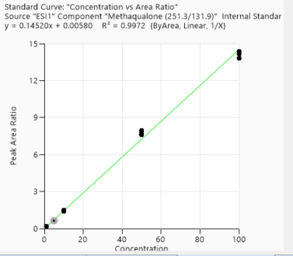
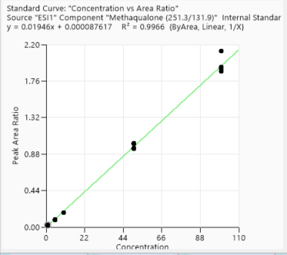
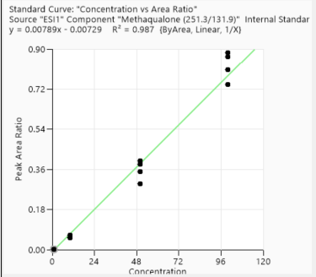
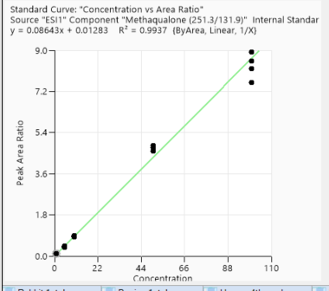
Calibration points data
 | 1st Day | 3rd Day | 2nd week | 4th week
Concentration of clabibration points/ppb | Peak area/IS Ratio | Peak area/IS Ratio | Peak area/IS Ratio | Peak area/IS Ratio

1 | 0.022808854 | 0.002922736 | 0.104073373 | 0.161801299
1 | 0.024823016 | 0.00139877 | 0.097329842 | 0.163767841
1 | 0.025745409 | 0.002285412 | 0.101592894 | 0.157845545
1 | 0.017651616 | 0.002198236 | 0.10736716 | 0.16395397
5 | 0.09599191 | 0.0198329 | 0.431034483 | 0.687112029
5 | 0.083101066 | 0.025344636 | 0.397174738 | 0.67506513
5 | 0.08537452 | 0.007949166 | 0.445834601 | 0.630061804
5 | 0.086157207 | 0.031135038 | 0.382561549 | 0.641673244
10 | 0.177079146 | 0.055394306 | 0.860354347 | 1.374063441
10 | 0.175046457 | 0.065406605 | 0.859031109 | 1.487338032
10 | 0.163238471 | 0.052199524 | 0.891231688 | 1.48537511
10 | 0.170380415 | 0.055977684 | 0.841593814 | 1.410839489
50 | 1.012998798 | 0.351258645 | 4.734605207 | 7.949766002
50 | 0.944860515 | 0.295387232 | 4.727440994 | 7.812263755
50 | 1.005017739 | 0.383603008 | 4.825329321 | 7.656868196
50 | 0.953702773 | 0.398790121 | 4.583323721 | 7.582693007
100 | 2.125863942 | 0.740970202 | 8.930893101 | 14.150205201
100 | 1.910796699 | 0.865427732 | 8.191955953 | 14.1540727
100 | 1.933051445 | 0.881977469 | 8.529451868 | 14.363507062
100 | 1.878910119 | 0.807519484 | 7.604194026 | 13.819280297

Accuracy points data
 | 1st Day | 3rd Day | 2nd week | 4th week
Concentration of Accuracy points /ppb | Peak area/IS Ratio | Peak area/IS Ratio | Peak area/IS Ratio | Peak area/IS Ratio
2.5 | 0.034752347 | 0.010172357 | 0.213849222 | 0.376723085
2.5 | 0.037996887 | 0.013229195 | 0.197213828 | 0.362423203
2.5 | 0.031390686 | 0.013560344 | 0.222767344 | 0.38482158
2.5 | 0.046613037 | 0.015868706 | 0.211431567 | 0.371953826
25 | 0.470627192 | 0.132123547 | 2.078036552 | 3.542574236
25 | 0.363610157 | 0.131984948 | 1.904900785 | 3.677807948
25 | 0.330423002 | 0.120190338 | 2.206024069 | 3.486067975
25 | 0.406118974 | 0.154160269 | 2.11694525 | 3.478135875
75 | 1.332857606 | 0.451450287 | 6.870936481 | 10.971997134
75 | 1.231538107 | 0.425695029 | 6.967213348 | 11.045134085
75 | 1.210514988 | 0.496170633 | 6.979629656 | 10.929670831
75 | 1.320044521 | 0.5077329 | 6.789671639 | 11.769234115

1st day
3rd day
2nd week
4th week

Atrazine
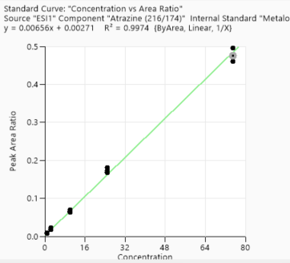
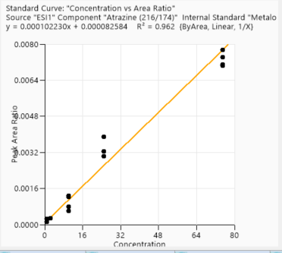
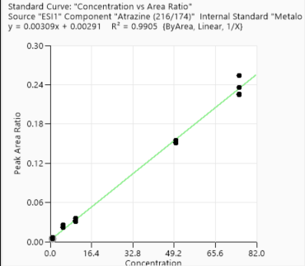
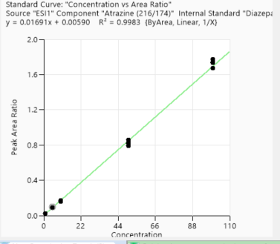
Calibration points data
 | 1st Day | 3rd Day | 2nd week | 4th week |  |  | Conc | Area/ISD
Concentration of clabibration points/ppb | Peak area/IS Ratio | Peak area/IS Ratio | Peak area/IS Ratio | Peak area/IS Ratio | 1 | 0.000870845 | 0 | -7.0460465533
1 | 0.02295254 | 0.000257043 | 0.004855456 | 0.008013163 | 1 | 0.000791967 | 0 | -7.1409908337
1 | 0.02274711 | 0.000115299 | 0.00468712 | 0.009362138 | 1 | 0.000658949 | 0 | -7.3248644164
1 | 0.023095133 | 0.000277378 | 0.004526379 | 0.008515024 | 1 | 0.000781359 | 0 | -7.1544758466
1 | 0.024195284 | 0.001283563 | 0.006072491 | 0.008658552 | 2.5 | 0.000393144 | 0.91629073187 | -7.841334601
5 | 0.098211836 | N/A | 0.008298793 | 0.01821157 | 2.5 | 0.000742817 | 0.91629073187 | -7.2050608424
5 | 0.085879184 | N/A | 0.008599985 | 0.020151623 | 2.5 | 0.000725039 | 0.91629073187 | -7.2292851115
5 | 0.100372182 | 0.003031547 | 0.009996464 | 0.022738308 | 2.5 | 0.000462614 | 0.91629073187 | -7.6786175449
5 | 0.089593361 | N/A | 0.008314939 | 0.019772029 | 10 | 0.00263977 | 2.302585093 | -5.9370634868
10 | 0.158827228 | 0.001227567 | 0.032187376 | 0.067741644 | 10 | 0.003154342 | 2.302585093 | -5.7589753626
10 | 0.160447235 | 0.00060522 | 0.030319446 | 0.071324172 | 10 | 0.002968131 | 2.302585093 | -5.8198228172
10 | 0.175074107 | 0.00079576 | 0.03602546 | 0.064996701 | 10 | 0.003323734 | 2.302585093 | -5.7066664293
10 | 0.173278534 | N/A | 0.032400049 | 0.066865512 | 25 | 0.010184531 | 3.2188758249 | -4.5868852785
50 | 0.793480396 | 0.003239629 | 0.077320314 | 0.171199851 | 25 | 0.006253136 | 3.2188758249 | -5.0746721811
50 | 0.827226427 | 0.003887842 | 0.083857396 | 0.173050379 | 25 | 0.009793616 | 3.2188758249 | -4.6260245341
50 | 0.856816243 | 0.000471724 | 0.087400984 | 0.176341145 | 25 | 0.008065395 | 3.2188758249 | -4.8201725915
50 | 0.818600198 | 0.001000088 | 0.079019321 | 0.184878555 | 75 | 0.022674536 | 4.3174881135 | -3.7865127463
100 | 1.776422473 | 0.007087952 | 0.25373535 | 0.468924351 | 75 | 0.019615027 | 4.3174881135 | -3.9314593228
100 | 1.672940759 | 0.007425648 | 0.235880471 | 0.506559956 | 75 | 0.021101488 | 4.3174881135 | -3.8584117197
100 | 1.731020956 | 0.000286911 | 0.22572538 | 0.482300783 | 75 | 0.022355308 | 4.3174881135 | -3.8006914917
100 | 1.737915384 |  | 0.224736962 | 0.484408237

Accuracy points data
 | 1st Day | 3rd Day | 2nd week | 4th week
Concentration of Accuracy points /ppb | Peak area/IS Ratio | Peak area/IS Ratio | Peak area/IS Ratio | Peak area/IS Ratio
2.5 | 0.050838372 | N/A | 0.025997645 | 0.048337588
2.5 | 0.045501653 | 0.000322488 | 0.021998198 | 0.050246481
2.5 | 0.047374473 | 0.003816045 | 0.025307766 | 0.047570457
2.5 | 0.044861364 | 0.004522306 | 0.023071663 | 0.050949095
25 | 0.386971188 | 0.004691103 | 0.150980194 | 0.298483122
25 | 0.39887523 | 0.006174553 | 0.152195509 | 0.291989258
25 | 0.415010605 | 0.007754824 | 0.15471841 | 0.28805793
25 | 0.401255115 | 0.007039481 | 0.154882427 | 0.295840821
75 | 1.318297947
75 | 1.22913738
75 | 1.198115743
75 | 1.165039654

4th week
2nd week
1st day
3rd day

